Decision Table
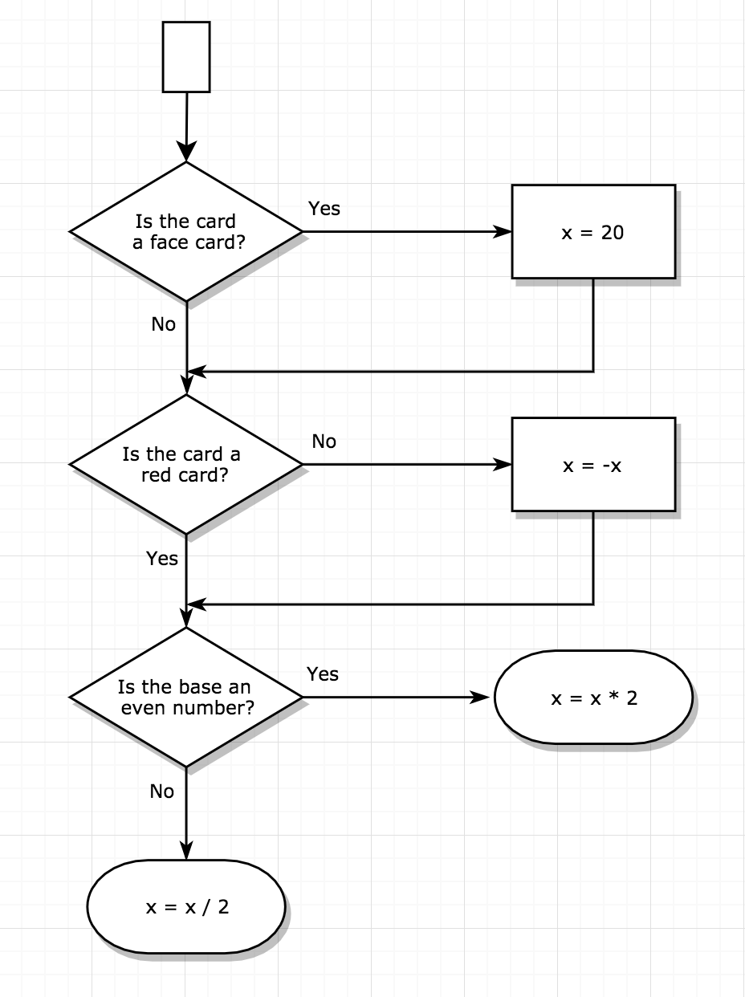
CONDITIONS
Is the card a face card? | Y | Y | Y | Y | N | N | N | N
Is card a red card? | Y | Y | N | N | Y | Y | N | N
Is the base number an even number? | Y | N | Y | N | Y | N | Y | N

ACTIONS
The OUTPUT is | [ 40 ] | N/A | [ - 40 ] | N/A | [ x * 2 ] | [ x / 2 ] | [ - ( x * 2 ) ] | [ - ( x / 2 ) ]

 |  |  |  |  |  |  |  | N/A means Non Applicable, since the base number will always be an even number for face cards

